Sheet1
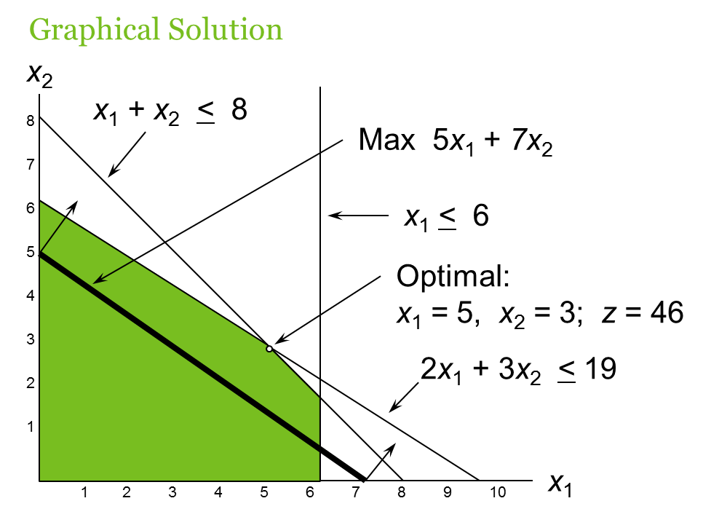
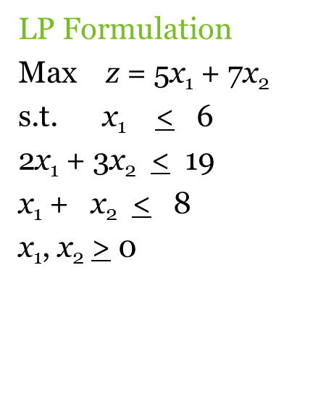
 | x1 | x2
Decision variable | 5 | 3

Objective f. coefficients | 5 | 7 | 46

Constraint #1 | 1 | 0 | 5 | <= | 6
Constraint #2 | 2 | 3 | 19 | <= | 19
Constraint #3 | 1 | 1 | 8 | <= | 8

